Script
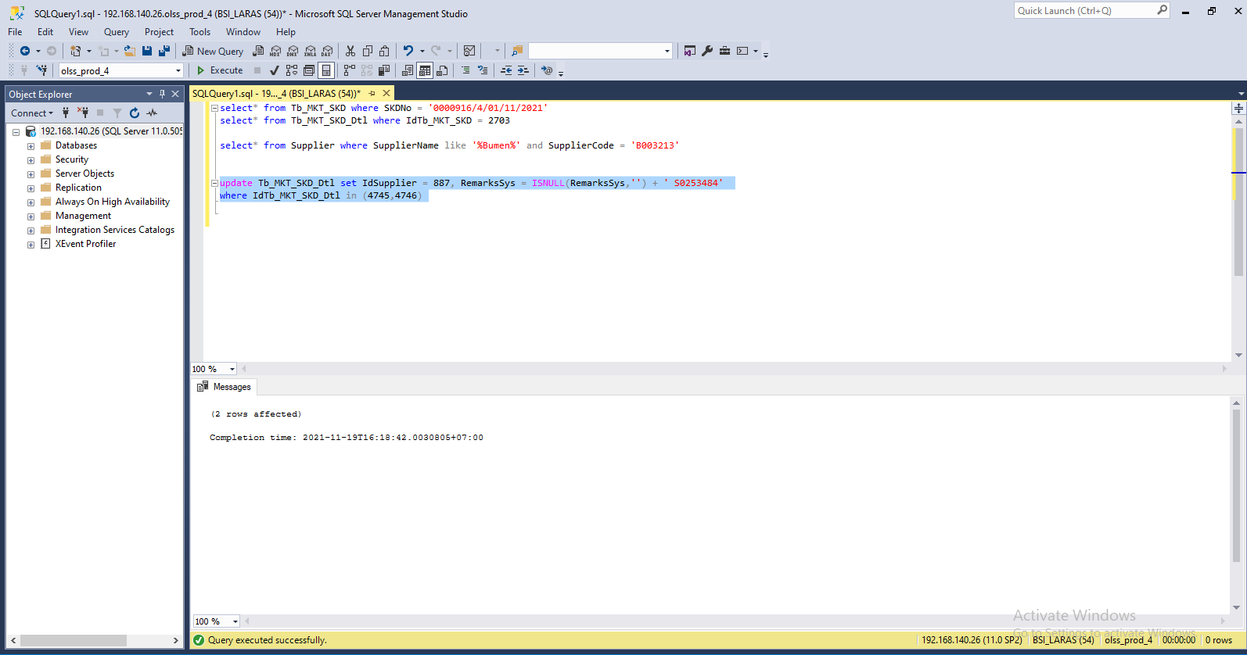
update Tb_MKT_SKD_Dtl set IdSupplier = 887, RemarksSys = ISNULL(RemarksSys,'') + ' S0253484'
where IdTb_MKT_SKD_Dtl in (4745,4746)

Screenshot
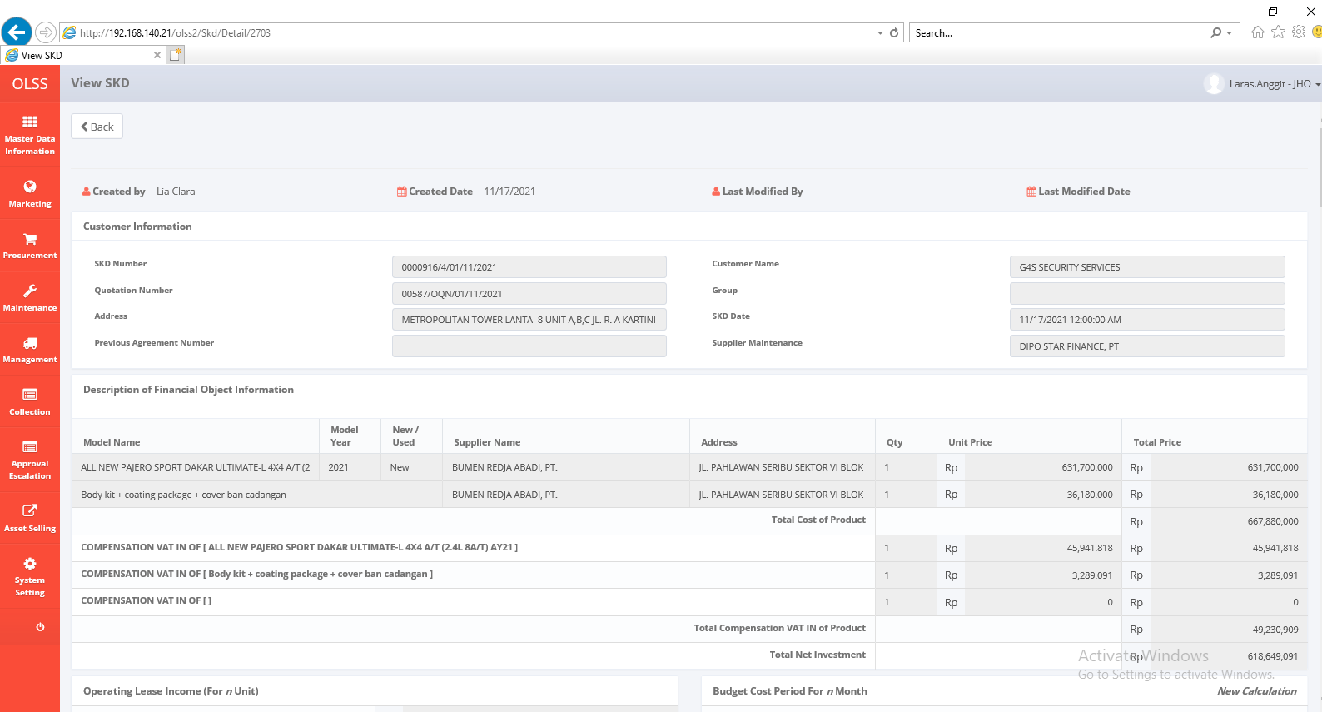
BEFORE
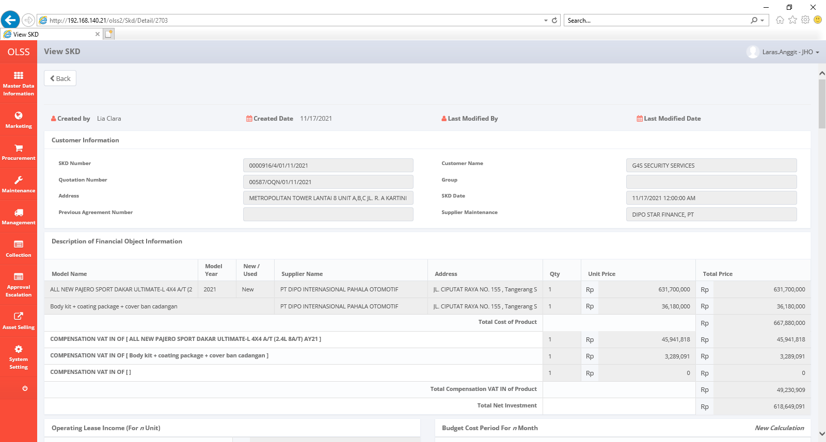

AFTER

